Sheet1
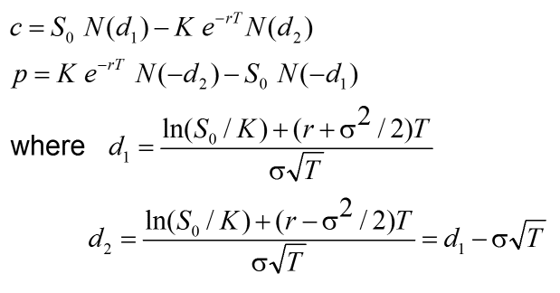
 |  |  | Calculations
 |  |  | Call | c | $9.65
 |  |  | Put | p | $3.40

 |  |  |  | d1 | 0.6239
 |  |  |  | d2 | 0.1996

Steps followed -
1. First assumed values for Inputs.
2. Calculate d1 and d2 using Inputs and formulas 1 and 2.
3. Calculate c and p using inputs and calculated values of d1 and d2 and formulas 3 and 4.

Inputs
Underlying Price | S | $39.00
Strike Price | K | $40.00
Time to Expiration | T | 2
Risk Free Rate | r | 0.1
Volatility | σ | 0.3

